1.2.2 Histograms(graph)
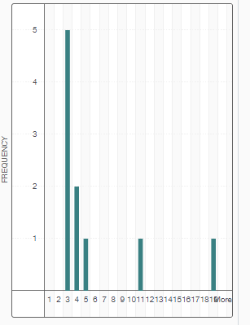

Lesson 1.2 Practice (ans)
Selling Price ($)
City | Selling Price ($) | Selling Price ($)
Mansfield | $211,000 | $200,000
Randolph | $183,000 | $400,000
Histogram
North Reading | $365,000 | $600,000 | Selling Price ($) | Frequency
Peabody | $380,000 | $800,000 | 200000 | 4
Belmont | $860,000 | $1,000,000 | 400000 | 11
Natick | $1,070,000 | $1,200,000 | 600000 | 9
Arlington | $1,280,500 | $1,400,000 | 800000 | 2
Ashland | $358,000 |  | 1000000 | 1
Framingham | $417,000 |  | 1200000 | 2
Hingham | $665,000 |  | 1400000 | 1
Wakefield | $210,000 |  | More | 0
Burlington | $540,000
Milton | $447,000
Framingham | $266,000
Ipswich | $299,000
Melrose | $445,000
Raynham | $365,000
Dracut | $189,900
Cambridge | $425,000
Weston | $1,130,000
Milton | $415,000
Acton | $470,000
Boxford | $314,000
Dedham | $724,500
Groveland | $420,000
Norwood | $288,000
Framingham | $150,000
Westford | $305,000
Holliston | $407,000
North Reading | $180,000

Lesson 1.2 Practice (graph)
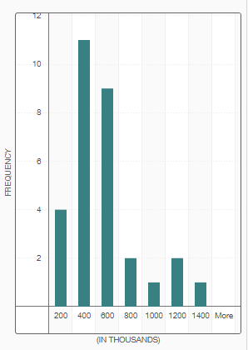

Lesson 1.2 Practice Q4(graph)
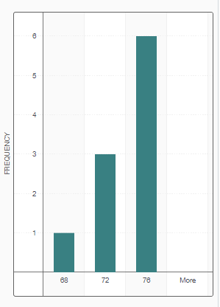

1.4.1 Scatter Plots (ANS)
Player | Height (inches) | Weight (pounds)
Stephen Drew | 72 | 190
Jacoby Ellsbury | 73 | 195
Jonny Gomes | 73 | 230
Will Middlebrooks | 75 | 220
Mike Napoli | 72 | 220
David Ortiz | 76 | 250
Dustin Pedroia | 68 | 165
Jarrod Saltalamacchia | 76 | 235
Koji Uehara | 74 | 195
Shane Victorino | 69 | 190

1.4 Practice Q1(graph)
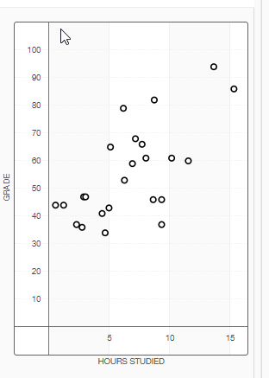

Lesson 1.4 Practice Q2(graph)
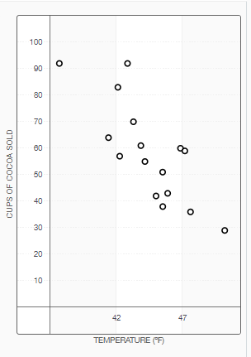

Module 1 Q5(graph)
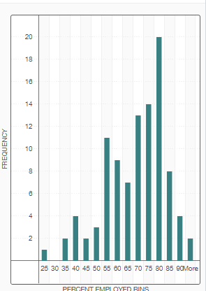

Module 1 Q15(graph)
